工作表1
Setup
1 | Place the folder "simulator" under .\infrasys\www\
2 | In the HERO platform -> Interface Control -> Interface, click into a setup for Bally Gaming Interface
 | In the Settings, edit the URL for each functions as follow:
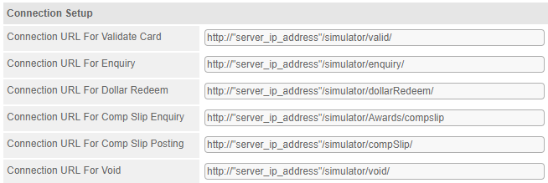
 | For the "server_ip_address", please type the ip where the "simulator" folder placed

 | e.g. if the "simulator" is placed at 127.0.0.1, type 127.0.1 at "server_ip_address"

Test Cases
In the Bally Interface, the functions could be called through the client side are: Card Validation, Enquiry, DollarRedeem, CompSlip and Void. A simulator was implemented so the client could get simulated responses through php connection. The below table shows the simulated cases of each functions, which the kind of responses could be chosen by the input account number (acctNo) in the client request.
v | = success
x | = fail

 | Input | Functions
 | acctNo | Card Validation | Enquiry | DollarRedeem | CompSlip | Void(void type selected by gpcTransId)
 | 9101 | v (code: 200) | v (code: 200) | v (return gpcTransId 1111) | v (return gpcTransId 2222) | v (gpcTransId: 1111 for dollarRedeem, 2222 for compSlip)
 | 9102 | v (code: 200) | v (code: 200) | v (return gpcTransId 1111) | v (return gpcTransId 2222)
 | 9103 | v (code: 200) | v (code: 200)
 | 9104 | x (code: 200)
 | 9105 | v (code: 200) | x (code: 404)
 | 9106 | v (code: 200) | x (code: 410)
 | 400 | x (code: 400) |  | x (code: 400) | x (code: 400) | x (code: 400)
 | 401 | x (code: 401) |  | x (code: 401) | x (code: 401) | x (code: 401)
 | 403 | x (code: 403) |  | x (code: 403) | x (code: 403) | x (code: 403)
 | 500 | x (code: 500) |  | x (code: 500) | x (code: 500) | x (code: 500)
 | others | x (code: 200) |  | x (return gpcTransId 1111) | x (return gpcTransId 2222) | x (code: 200)

 | Input | Functions
 | Comp Slip No. | CompSlip Enquiry
 |  | success? | response
 | 1 | v | Slip number#1 is belong to Acct#9101 and ready to use
 | 11 | v | Slip number#11 is belong to Acct#9101 and ready to use
 | 111 | v | Slip number#111 is belong to Acct#9101 and ready to use
 | 222 | x | Slip number #222 not found in HUB or data outsync
 | 333 | x | Slip number #333 was settled

